Aula
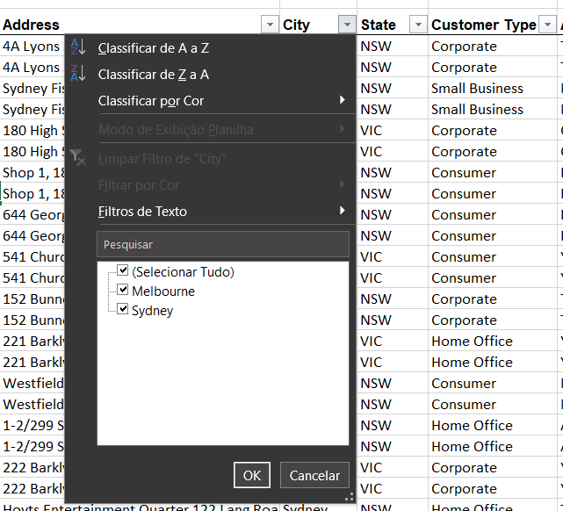
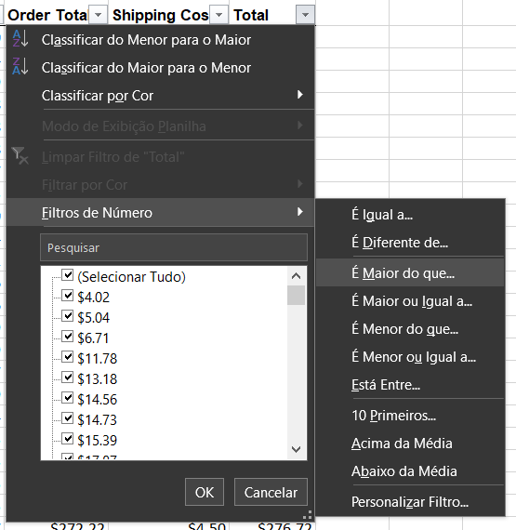
Filtro Simples | Filtro Específico | OBS: Para limpar, reaplicar
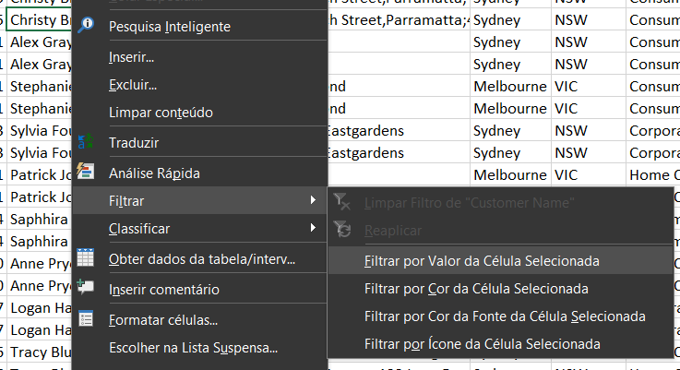
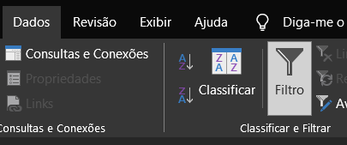

 | E escolho apenas minha busca |  | Para valores númericos:

